Sheet1
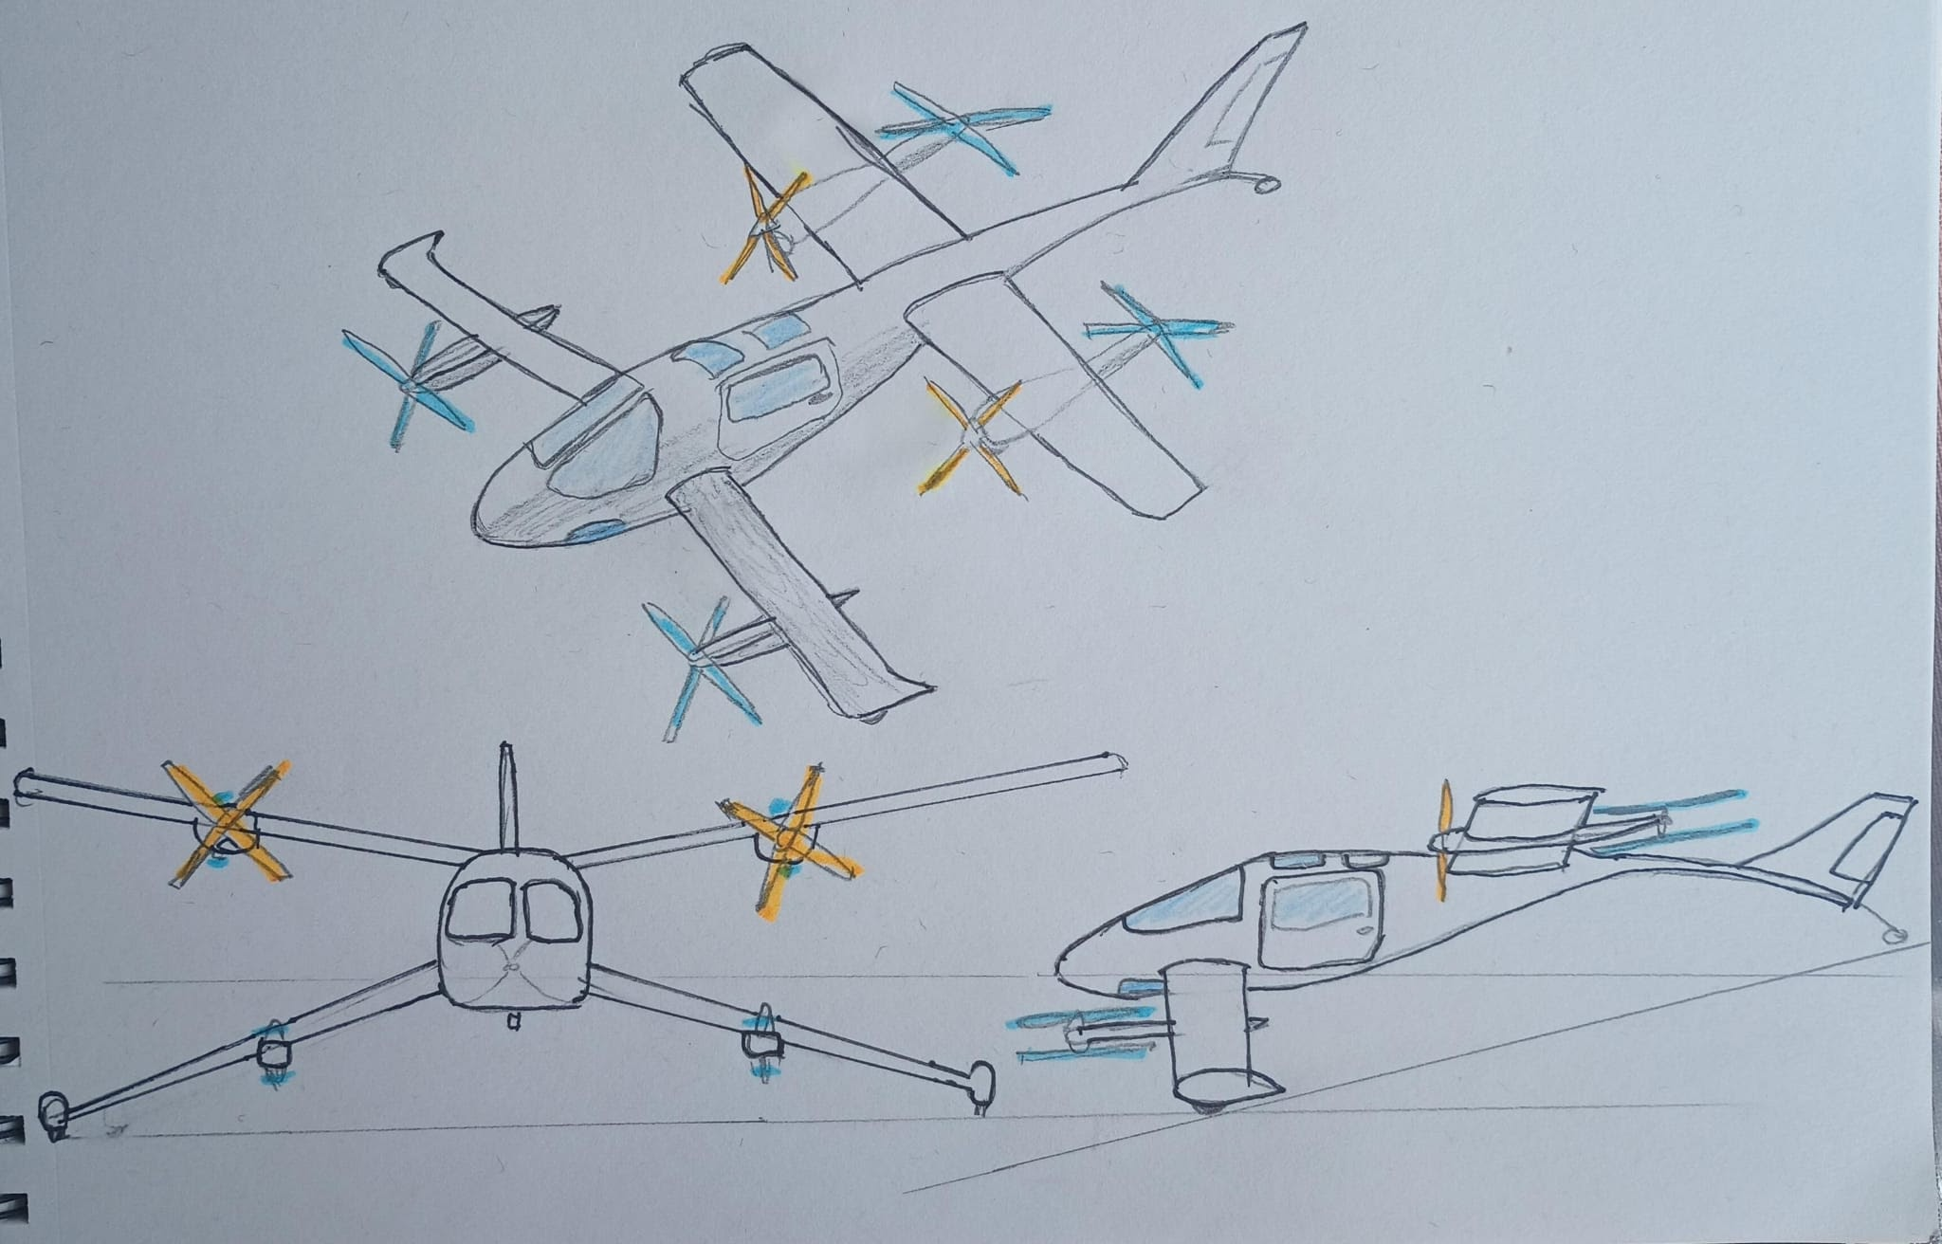

 | Drawing 1 |  | Drawing 2 |  | Drawing 3 |  | Drawing 4 |  | Drawing 5 |  | Drawing 6 |  | Drawing 7
Item | 4 seats | 6 seats | 4 seats | 6 seats | 4 seats | 6 seats | 4 | 6 seats | 4 seats | 6 seats | 4seats | 6 seats | 4seats | 6 seats | D1
Comply with FAA mosaic | YES | NO | YES | NO | YES | NO | YES | NO | YES | NO | YES | NO | YES | NO | Tandem wings
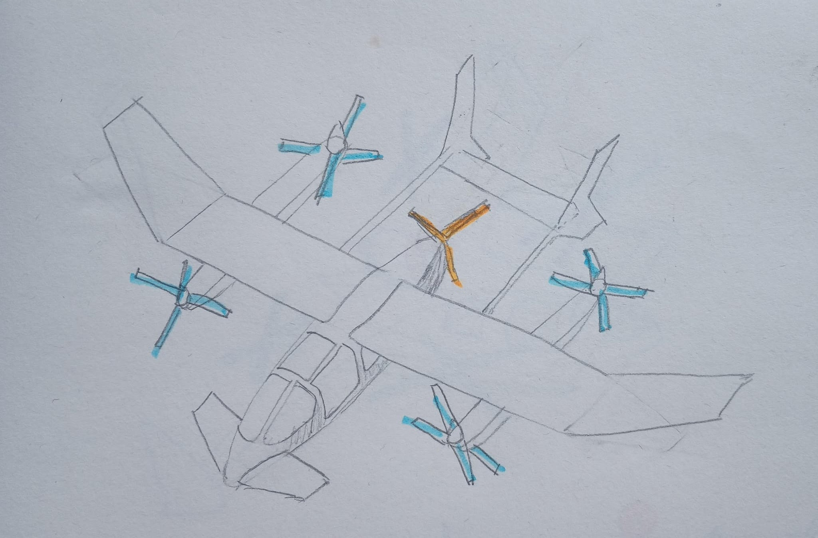
Multiporpuse Fuselage | YES |  | YES |  | YES |  | YES |  | YES |  | YES |  | YES
Grow to 6-9 places | YES |  | YES |  | YES |  | YES |  | YES |  | YES |  | YES
Patent and available design PI | YES |  | NO |  | YES |  | NO |  | NO |  | YES |  | YES |  | D3
Notes | We suggest more searching of patents status, looks available |  | Review Patent US11919630B2 |  | We suggest more searching of patents status, looks available |  | Review Patent US20190061968A1 |  | Infringement US9120560B1 |  | Abandoned Patent US20200391859A |  | Abandoned Patent US20200140079A1 |  | twin booms | JJ
 |  |  |  |  |  |  |  |  |  |  |  |  |  |  | twin engine
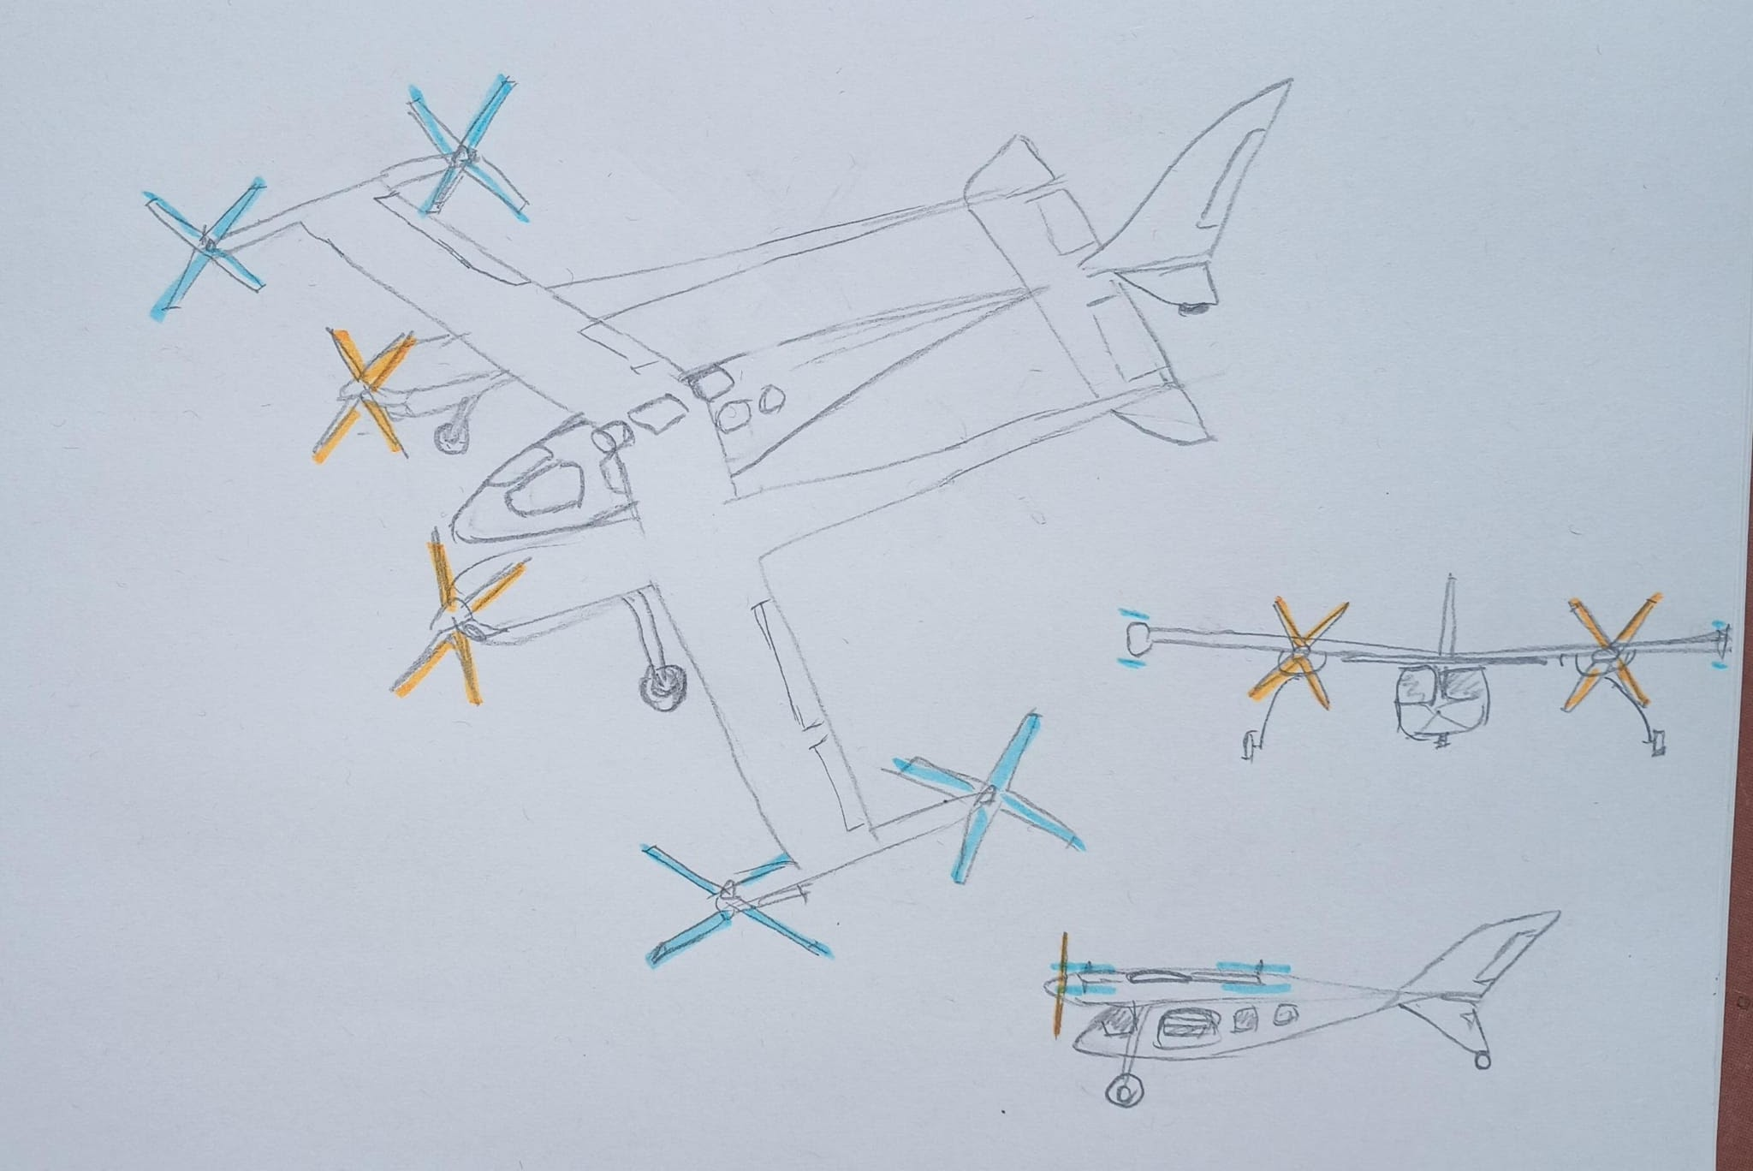
 |  |  |  |  |  |  |  |  | https://patents.google.com/patent/US9120560B1/en?oq=US9120560B1 | https://patents.google.com/patent/US20220144420A1/en?q=(vtol)&assignee=joby&oq=joby+vtol
 |  |  |  |  |  |  |  |  | https://patents.google.com/patent/US20230103521A1/en?q=(vtol+archer)&oq=vtol+archer

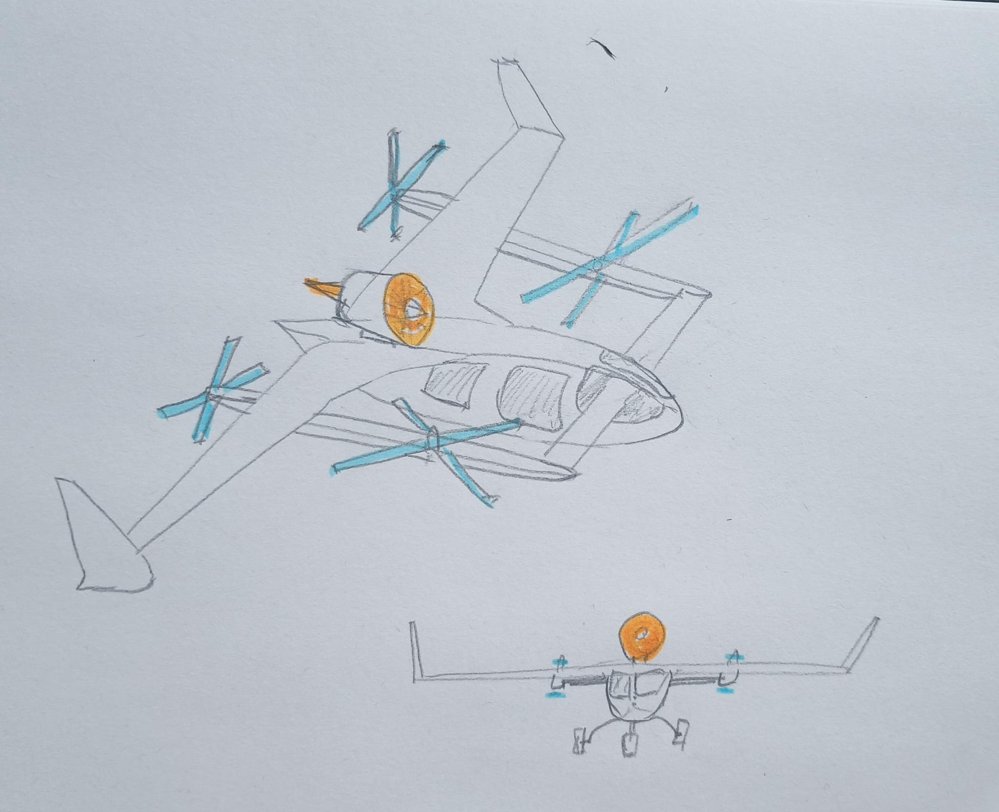
 |  |  |  |  |  |  |  |  |  |  |  |  |  |  | D4
 |  |  |  |  |  |  |  |  |  |  |  |  |  |  | Canard
 |  |  |  |  |  |  |  |  |  |  |  |  |  |  | pusher quiet fan
 |  |  |  |  |  |  |  |  |  |  |  |  |  |  | triple fuselage

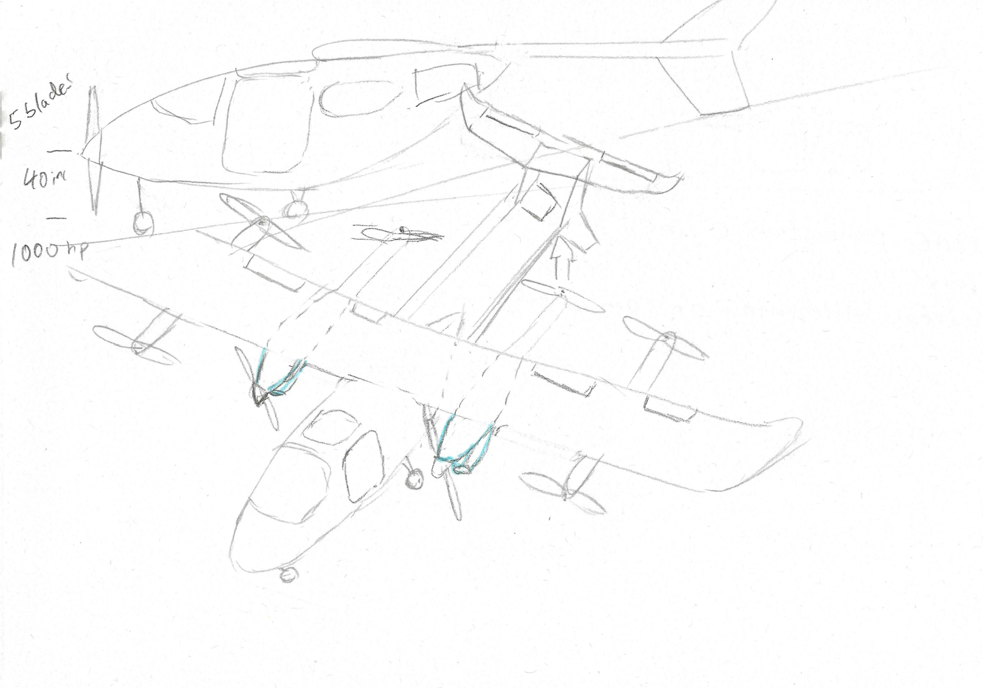
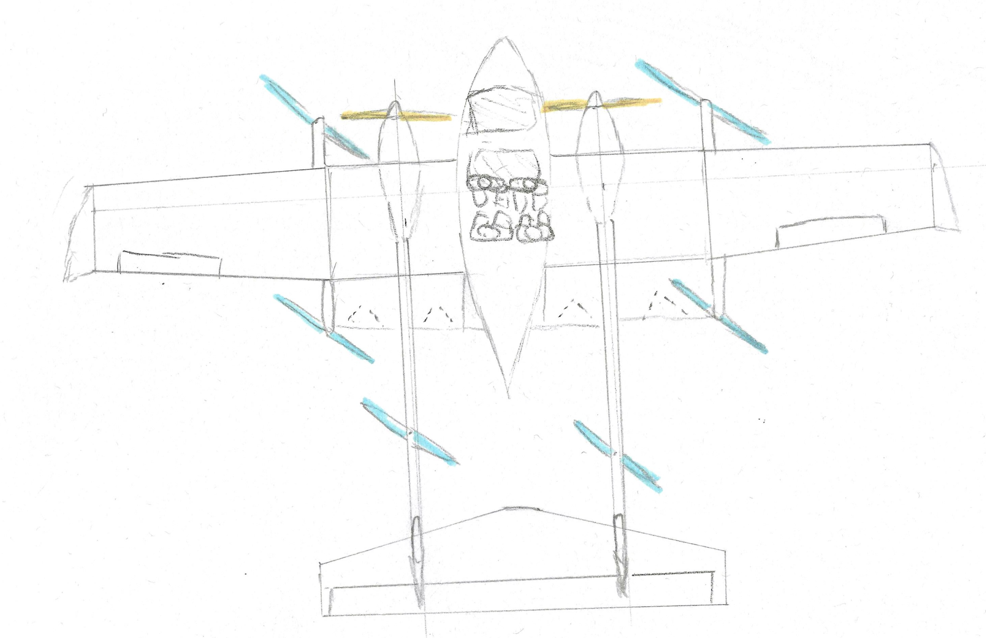
 |  |  |  |  |  |  |  |  |  |  |  |  |  |  | D5
 |  |  |  |  |  |  |  |  |  |  |  |  |  |  | Alike C337
 |  |  |  |  |  |  |  |  |  |  |  |  |  |  | Twin and single

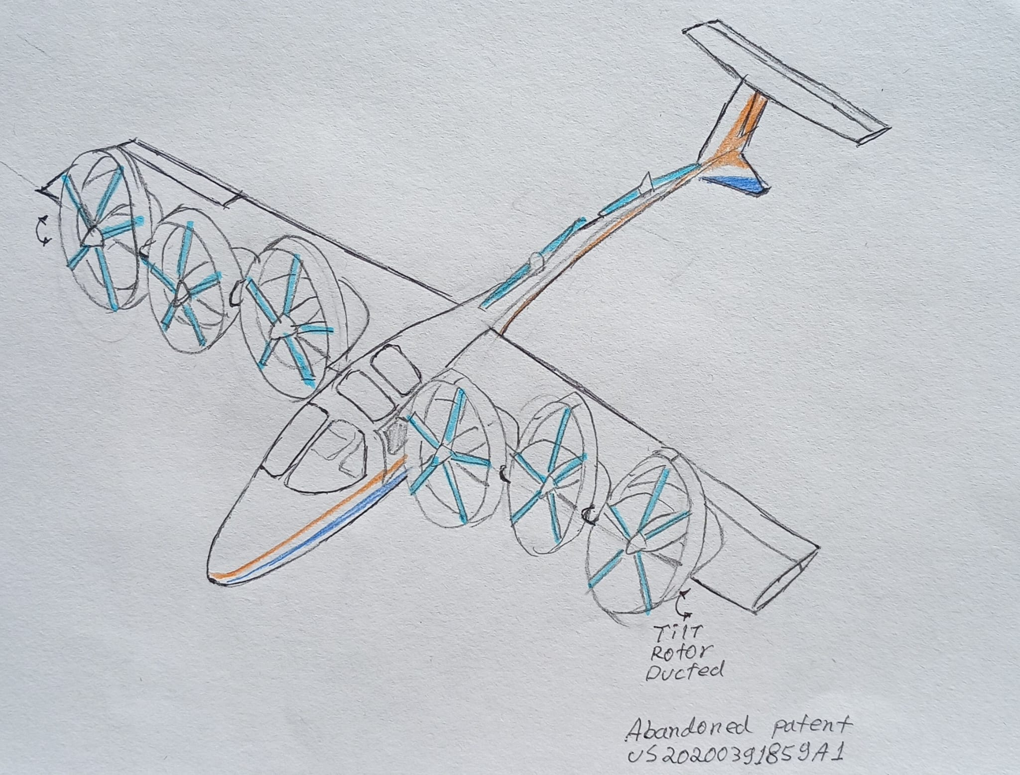
 |  |  |  |  |  |  |  |  |  |  |  |  |  |  | D6 | tilt only 2 motors for cruise
 |  |  |  |  |  |  |  |  |  |  |  |  |  |  | tilt rotor leading edge
 |  |  |  |  |  |  |  |  |  |  |  |  |  |  | abandoned patent | angélica
 |  |  |  |  |  |  |  |  |  |  |  |  |  |  | US20200391859A

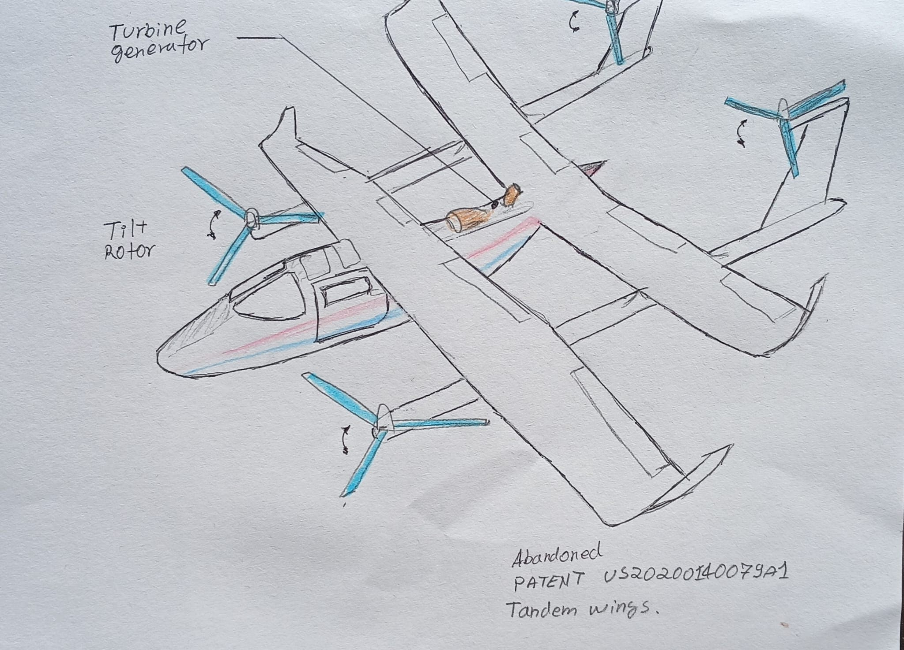
 |  |  |  |  |  |  |  |  |  |  |  |  |  |  | D7
 |  |  |  |  |  |  |  |  |  |  |  |  |  |  | Tandem wings | estructural changes
 |  |  |  |  |  |  |  |  |  |  |  |  |  |  | tilting 4 rotors
 |  |  |  |  |  |  |  |  |  |  |  |  |  |  | Abandoned Patent | Juan Felipe
 |  |  |  |  |  |  |  |  |  |  |  |  |  |  | US20200140079A1

